READ ME - Instructions

Purpose | The basis of this tool is to evaluate systems and equipment to determine the quantity of equivalent clean air is provided to the space, zone, or system to evaluate if it meets the airflow requirements in ASHRAE Standard 241 information. This can be used for New and Existing Systems to show how much they deliver in Infection Risk Management Mode (IRMM) or in Normal Mode.
Supporting Information
 | Building Readiness Guide |  | https://www.ashrae.org/file%20library/technical%20resources/covid-19/ashrae-building-readiness.pdf
 | ASHRAE Guidance |  | https://www.ashrae.org/technical-resources/resources
 | ASHRAE Standard 241
Date | 2023-07-06
Version | v1.01
IMPORTANT | This tool is intended to simplify the calculation process to determine the target ECAi air quantity for the space, zone or HVAC system to achieve the target established by ASHRAE Standard 241 Table 5-1. This tool also helps calculate the ECAi for the existing and potential required modifications to achieve the target.

 | Universal mask wearing will reduce the bioburden in the space but is not factored into this spreadsheet.

 | Read the DISCLAIMER at bottom of this worksheet.

The user must understand the following about the building, system, and spaces:
Space area and ceiling height OR volume
Filter MERV or MERV-A Rating
Occupancy - Design and IRMM Target
Filter installation gaps via an integrity test
UVC Inactivation percentage
Supply air CFM
Outdoor air CFM
In Room Fan Filter CADR
Air cleaner CADR
If these terms are not clear, please reference the Building Readiness Guide (linked above)
You should only have to enter data in the cells with BLUE TEXT
This assumes an arrangement of the following unit, where the filter is the first thing the return air hits and then the UVC.
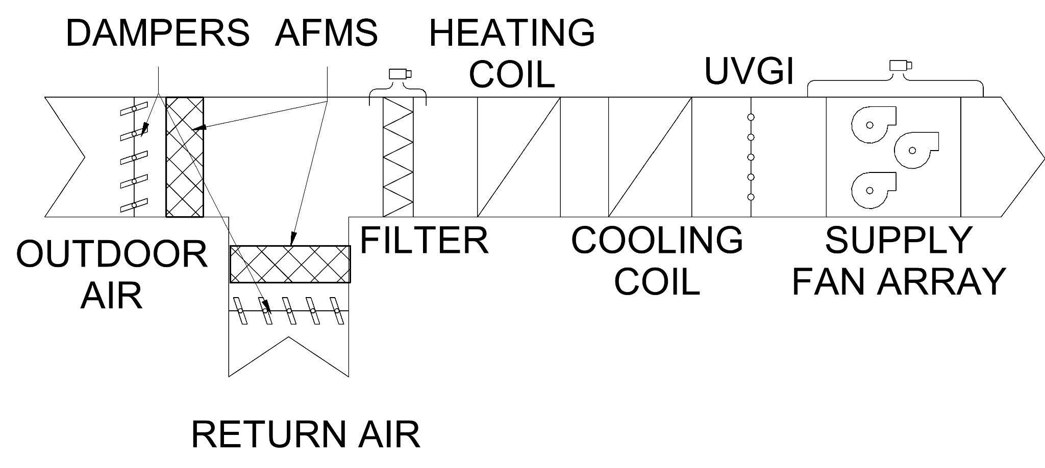

Reference: Conlan 2021. Managing Aerosols Using Space Flushing, ASHRAE. Journal June 2021.

* There might be an In Room Fan HEPA Filter Unit or other space air cleaners applied to the system.

"The following impacts are not being addressed here that result in a more conservative time: • Deposition of particulate (PM2.5 is typically assumed to be about ½ air change of particle reduction) • Temperature of the space and or change of temperature. • Relative humidity of the space and or change of RH. "
Filter Methodology - Either use the Standard 241 values for pathogen removal efficiency table or use the Droplet Nuclei Filter Efficiency (DNFE) Table based on studies done for Influenza A and some on SARS-COV-2.
 |  |  |  |  |  |  |  | 241
Standard 241 FILTER PERFORMANCE VALUES: This is based on the information found in Section 7 of 241. The table has been replicated here for impact of the filter in the calculations. |  |  |  |  |  |  |  | DNFE |  | ACTUAL FILTER PERFORMANCE VALUES: Filter data is based actual ASHRAE Std 52.2 test results for over 140 filters that are on the market. This data does take into account the degradation of the filters. Please note that there is a MERV Reduction Drop based on studies listed below that show the impact on the In Situ ratings of the filters as they are used.
 |  |  |  |  |  |  |  |  |  |  |  |  |  |  |  | MERV FILTER DROP - THIS IS FOR DNFE ONLY. Standard 241 Efr is set in the standard. This allows the person doing the evaluation to adjust the filter rating drop based on how they use and change filters. Those changing filters monthly may not need to have a filter drop (which is a MERV number drop) and those using them for longer may not. There is also discussion on whether MERV and MERV-A have the same drop in situ. |  | MODIFIED Drop Nuclei Filter Efficiency Effect for Filter Degradation over time
MERV Rating | 𝜺𝑷𝑹 | E1 Average (Note 1) | E2 Average (Note 1) | E3 Average (Note 1) | Anticipated Distribution of Virus |  |  |  |  | MERV Rating | Droplet Nuclei Filter Efficiency | E1 Average (Note 1) | E2 Average (Note 1) | E3 Average (Note 1) |  | MERV Rating Drop Description | MERV Rating Drop | MERV Rating | Droplet Nuclei Filter Efficiency
4 | 0% | Not Applicable | Not Applicable | Not Applicable | This information for distribution of virus is based on studies on Influenza A in addition to some recent studies on SARS-CoV-2 viral particle sizes in the air. The Influenza A studies are document in the ASHRAE ETF Building Readiness Guide. The limited studies on SARS-CoV-2 are not conclusive enough at this time to pinpoint exact viable virus particles that would align with the ASHRAE Standard 52.2 ranges. The SARS-CoV-2 studies, linked below, only has one consistent conclusion between those studies. The consistent item is that the majority of particles with viable virus is less than 5 microns in size. Based on that information, we have update the Anticipated Distribution of Virus to be as shown in the table below. As always, you can easily be more conservative by having all of the particles in the E2 range and none in E1 or E3. When you edit those numbers, the calculations are updated. |  |  |  |  | 4 | 16% | 10.3% | 29.9% | 11.9% |  | Qualified Professional Opinion on MERV Rating Drop | 2 | 4 | 0%
5 | 0% | Not Applicable | Not Applicable | Not Applicable |  |  |  |  |  | 5 | 24% | 8.0% | 28.0% | 33.0% |  |  |  | 5 | 0%
6 | 0% | Not Applicable | Not Applicable | Not Applicable |  |  |  |  |  | 6 | 28% | 7.8% | 30.0% | 43.5% |  | Note - The studies show that a value of 2 is the expected drop. Changing this value will alter the performance of the filter for the work |  | 6 | 16%
7 | 0% | Not Applicable | Not Applicable | Not Applicable |  |  |  |  |  | 7 | 36% | 10.8% | 36.6% | 55.6% |  |  |  | 7 | 24%
8 | 0% | Not Applicable | Not Applicable | Not Applicable |  |  |  |  |  | 8 | 49% | 15.1% | 51.6% | 73.7% |  |  |  | 8 | 28%
9 | 0% | Not Applicable | Not Applicable | Not Applicable |  |  |  |  |  | 9 | 54% | 17.8% | 52.4% | 84.8% |  |  |  | 9 | 36%
10 | 0% | Not Applicable | Not Applicable | Not Applicable |  |  |  |  |  | 10 | 57% | 16.6% | 59.0% | 86.7% |  |  |  | 10 | 49%
11 | 60% | Not Applicable | Not Applicable | Not Applicable | Values from Standard 241 |  |  | Based on Influenza A Only (in v1.1) |  | 11 | 67% | 33.9% | 69.4% | 90.1% |  |  |  | 11 | 54%
12 | 71% | Not Applicable | Not Applicable | Not Applicable | E1 | 30% |  | E1 | 20% | 12 | 77% | 37.6% | 86.1% | 99.8% |  |  |  | 12 | 57%
13 | 77% | Not Applicable | Not Applicable | Not Applicable | E2 | 30% |  | E2 | 29% | 13 | 86% | 66.3% | 92.4% | 97.8% |  |  |  | 13 | 67%
14 | 88% | Not Applicable | Not Applicable | Not Applicable | E3 | 40% |  | E3 | 51% | 14 | 93% | 81.4% | 96.6% | 99.3% |  |  |  | 14 | 77%
15 | 91% | Not Applicable | Not Applicable | Not Applicable | Note - if you override these values it will change the Droplet Nuclei Filter Efficiency |  |  |  |  | 15 | 94% | 86.4% | 97.8% | 99.1% |  |  |  | 15 | 86%
16 | 95% | Not Applicable | Not Applicable | Not Applicable | The intent is that the distribution between the filter size ranges can be adjusted by the User. For a conservative approach to this calculation, make the E1 be 100% and then the other two at 0% since this is the lowest performing particle size for all of the filters listed. |  |  |  |  | 16 | 97% | 95.0% | 98.0% | 98.0% |  |  |  | 16 | 93%
HEPA | 99% | Not Applicable | Not Applicable | Not Applicable |  |  |  |  |  | 100 | 72% | 34% | 92% | 86% | USER ENTERED FILTER DATA |  |  | 100 | 72%

MERV-100 is User Entered Data for a filter that you have specific data or are using MERV-A values. Enter the ASHRAE Std 52.2 Test Results for the E1, E2, and E3 values. |  |  |  |  |  |  |  |  |  | MERV-100 is User Entered Data for a filter that you have specific data or are using MERV-A values. Enter the ASHRAE Std 52.2 Test Results for the E1, E2, and E3 values.
If the system has no filter, choose the 100 and make the E1, E2, and E3 values all 0%. |  |  |  |  |  |  |  |  |  | If the system has no filter, choose the 100 and make the E1, E2, and E3 values all 0%.
Note 1: Filter pathogen removal efficiency is based on the Standard 241 Air Cleaner Section. |  |  |  |  |  |  |  |  |  | Note 1: Filter data is based actual ASHRAE Std 52.2 test results for over 140 filters that are on the market. This data does take into account the degradation of the filters.
Filter efficiencies in this table assume a well installed and well sealed filter to achieve this performance. Based on your installation, you might use the 100 ROW and apply a leakage factor to reduce the pathogen removal efficiency of the filter. |  |  |  |  |  |  |  |  |  | Filter efficiencies in this table assume a well installed and well sealed filter to achieve this performance. Based on your installation, you might use the 100 ROW and apply a leakage factor to reduce the efficiency of the filter.
𝜺𝑷𝑹 | pathogen removal efficiency, % (Referred to Droplet Nuclei Efficiency in the Azimi and Stephens papers referenced.
 |  |  |  |  |  |  |  |  |  | Study Output showing Filter Drop Research (Hanley, J.T., and M.K. Owen. 2003. )
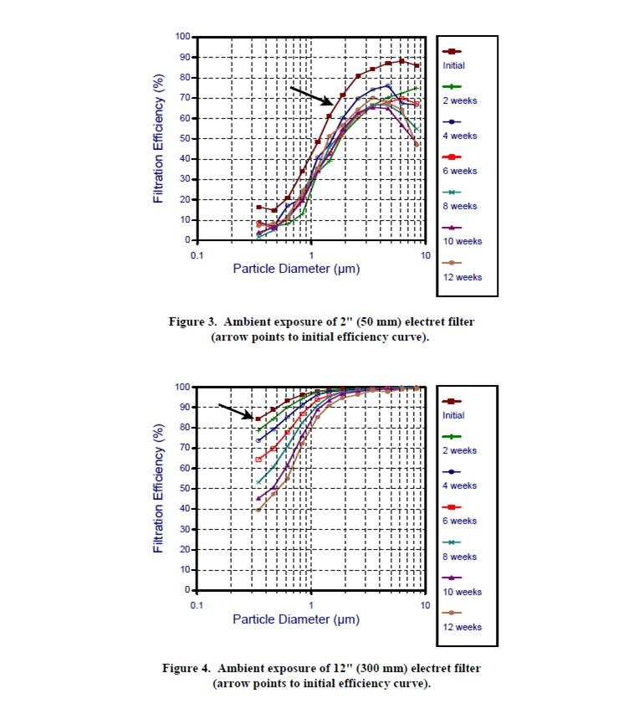
 |  |  |  |  |  | Table 5-1 from 241 | Use this to select your Ri to go into Calculator.
Determining In Room Air Cleaners or Air Treatment impact to space by CFM through the use of the "Air cleaner efficacy investigation tool (ACE IT)
The intent of the tool is to help convert performance data of the form "X reduction in Y time" to a equivalent clear air delivery rate. |  |  |  |  |  | Occupancy Category | Ri
There are multiple methods to perform the calculation based on the available data. |  |  |  |  |  |  | CFM/person | L/s/person
 |  |  |  |  |  | Correctional Facilities
www.pdx.edu/healthy-buildings/ace-it |  |  |  |  |  | Cell | 30 | 15
 |  |  |  |  |  | Dayroom | 40 | 20
 |  |  |  |  |  | Commercial/Retail
 |  |  |  |  |  | Food and Beverage Facilities | 60 | 30
 |  |  |  |  |  | Gym | 80 | 40
 |  |  |  |  |  | Office | 30 | 15
 |  |  |  |  |  | Retail | 40 | 20
 |  |  |  |  |  | Transportation Waiting | 60 | 30
 |  |  |  |  |  | Educational Facilities
 |  |  |  |  |  | Classroom | 40 | 20
 |  |  |  |  |  | Lecture Hall | 50 | 25
 |  |  |  |  |  | Industrial
 |  |  |  |  |  | Manufacturing | 50 | 25
 |  |  |  |  |  | Sorting, packing, light assembly | 20 | 10
 |  |  |  |  |  | Warehouse | 20 | 10
 |  |  |  |  |  | Healthcare
 |  |  |  |  |  | Exam room | 40 | 20
 |  |  |  |  |  | Group treatment area | 70 | 35
 |  |  |  |  |  | Patient room | 70 | 35
 |  |  |  |  |  | Resident room | 50 | 25
 |  |  |  |  |  | Waiting room | 90 | 45
 |  |  |  |  |  | Public Assembly/Sports & Entertainment
 |  |  |  |  |  | Auditorium | 50 | 25
 |  |  |  |  |  | Place of Religious Worship | 50 | 25
 |  |  |  |  |  | Museum | 60 | 30
 |  |  |  |  |  | Convention | 60 | 30
 |  |  |  |  |  | Spectator Area | 50 | 25
 |  |  |  |  |  | Lobbies | 50 | 25
 |  |  |  |  |  | Residential
 |  |  |  |  |  | Common Corridor | 50 | 25
 |  |  |  |  |  | Dwelling unit | 30 | 15

Acknowledgements:
This was built with help from multiple individuals and previous research on virus particle size.
Wade Conlan | Hanson Professional Services
Marwa Zaatari | D Zine Partners
Bill Bahnfleth | Penn State University
Kathleen Owen | Owen Air Filtration Consulting
Dennis Knight | Whole Building Systems
Meghan McNulty | Servidyne

Bibliography
Lindsley et al. (2010) | Measurements of Airborne Influenza Virus in Aerosol Particles from Human Coughs |  |  |  |  | https://journals.plos.org/plosone/article?id=10.1371/journal.pone.0015100
Stephens et al. (2012) | HVAC Filtration and the Wells-Riley approach to assessing risks for infectious airborne diseases |  |  |  |  | https://www.ncbi.nlm.nih.gov/pmc/articles/PMC7127325/
Ward, Matthew & Siegel, Jeffrey. (2005). | Modeling Filter Bypass: Impact on Filter Efficiency. ASHRAE Transactions. 111
Siegel, Jeffrey et al (2008) | HVAC Filter Bypass Modelling and Experimental Validation: Indoor Air 2008, Paper ID: 343 |  |  |  |  | https://citeseerx.ist.psu.edu/viewdoc/download?doi=10.1.1.518.2351&rep=rep1&type=pdf
Santarpia, J.L., Herrera, V.L., Rivera, D.N. et al.(2021) | The size and culturability of patient-generated SARS-CoV-2 J Expo Sci Environ Epidemiol aerosol |  |  |  |  | https://doi.org/10.1038/s41370-021-00376-8
Hooman Parhizkar, Leslie Dietz, et al (2022) | Quantifying Environmental Mitigation of Aerosol Viral Load in a Controlled Chamber With Participants Diagnosed With Coronavirus Disease 2019 |  |  |  |  | https://doi.org/10.1093/cid/ciac006
Tehya Stockman, Shengwei Zhu, Abhishek Kumar, Lingzhe Wang, Sameer Patel, James Weaver, Mark Spede, Donald K. Milton, Jean Hertzberg, Darin Toohey, Marina Vance, Jelena Srebric, and Shelly L. Miller ACS Environmental Au (2021) | Measurements and Simulations of Aerosol Released while Singing and Playing Wind Instruments |  |  |  |  | https://pubs.acs.org/action/showCitFormats?doi=10.1021/acsenvironau.1c00007&ref=pdf
Conlan 2021. | Managing Aerosols Using Space Flushing, ASHRAE. Journal June 2021.
Hanley, J.T., and M.K. Owen. 2003. | Develop a New Loading Dust and Dust Loading Procedures for the ASHRAE Filter Test Standards 52.1 and 52.2. Final Report on ASHRAE No. 1190-RP. Prepared by RTI for ASHRAE, Atlanta, GA. May. https://technologyportal.ashrae.org/Report/Detail/506 |  |  |  |  | https://technologyportal.ashrae.org/Report/Detail/506

DISCLAIMER: This ASHRAE guidance document is based on the evidence and knowledge available to ASHRAE as of the date of this document. Knowledge regarding transmission of COVID-19 and other infectious aerosols is rapidly evolving. This guidance should be read in conjunction with the relevant government guidance and available research. This material is not a substitute for the advice of a qualified professional. By adopting these recommendations for use, each adopter agrees to accept full responsibility for any personal injury, death, loss, damage or delay arising out of or in connection with their use by or on behalf of such adopter irrespective of the cause or reason therefore and agrees to defend, indemnify and hold harmless ASHRAE, the authors, and others involved in their publication from any and all liability arising out of or in connection with such use as aforesaid and irrespective of any negligence on the part of those indemnified.

Change Tracker | Description of Version
v1.0 | Initial Issue

